Direction & Explanation
Report items
1. Yield and defective in stacked bar pattern
- Defective mode for show in stacked bar are
1.1 Electrical Characteristics (ACC, SH, ESR, CAP, LC, PULSE and Co)
1.2 Appearance defective - Separate to be Crack and App
1.3 Inprocess Upstream
1.4 Inprocess Downstream
1.5 La/Ex1
1.6 La/Ex2
1.7 Other

2. Only Yield tendency by series as PSL, PSG, FPS and GPS in line graph
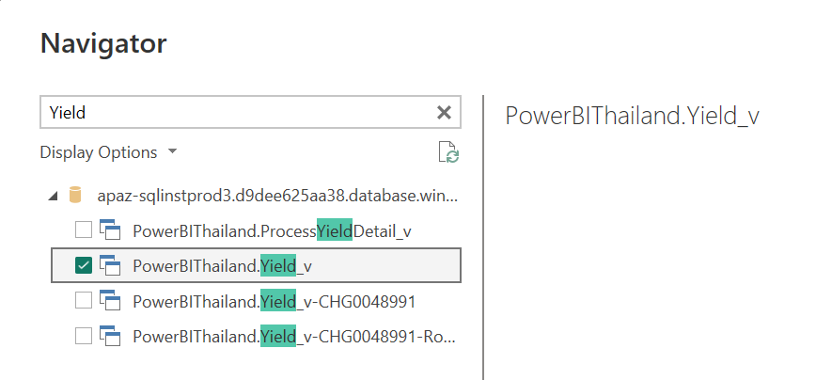
Direction for create Yield report from powerBI
1. Yield calculation from source name "PowerBIThailand.Yield_v"
--> Please see the example file in sheet "Raw data" in this file

2. Excluded lot for calculation for
2.1 "Job type" Column is "E" where E = Engineering batch (Experiment lot)
 |  |  | N = Mass production lot

2.2 Lot no that 2 digits number infront of N are not 01 - 31 such as 6G98NXXXXX, 6G32NXXXXX, 6G54NXXXXX

3. Calculation fomular are
3.1 Input for calculation "Input = InputQ - 0201_Inp_Pellet_Assy - X01_Machine_Sample" this Input will use for devided for calculate as percentage form with mutiply 100
3.2 %Yield = FinalGoodQ / Input x 100
3.2.1 If Yield <= 30%. There will be excluded for Yield report. (Removed that lots out)
3.3 %Defective = Each defectvie item / Input x 100
3.4 For other, Other = Input - FinalGoodQ - All defective items (Since "0301_Sample_CV" to "2021_CAM6") ; Because since "2101_Keep_Sample" to " 2201_Re_screen_defective" are defective that generate after EI process.
3.4.1 After Calculate Other. If "Other" exceed +/-500 pcs. It will be bring to calcuate as "Other"
If "Other" is minus or plus value than 500. there will logic as below
 |  | Input | Other | Input | Other | Input | Other
 | Case 1 | 12000 | -600 | 12000+600 | -600+600 | 18000 | 0
Interim state
(During adjusting calculation method)
Final outcome
 | Case 2 | 12000 | 1200 | 12000-1200 | 1200+(-1200) | 10800 | 0

